Assignment 2
ASSIGNMENT 2: | Sort the employee table by firstname and lastname of the employee.

Query: | SELECT * FROM employees ORDER BY FirstName,LastName;
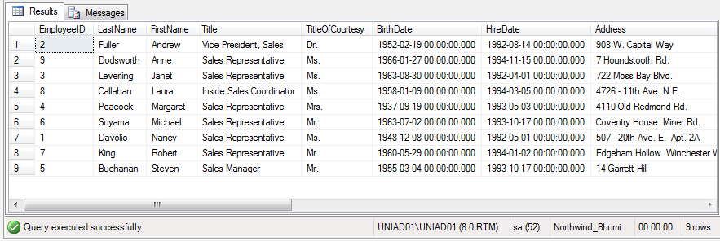

Output:

Assignment 3
ASSIGNMENT 3: | Select both productname and unitprice from products table in descending order.

Query: | SELECT ProductName,UnitPrice FROM Products ORDER BY ProductName DESC,UnitPrice DESC;

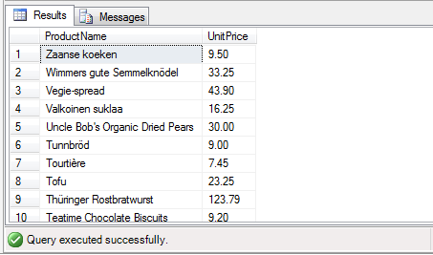
Output:

Assignment 4
ASSIGNMENT 4: | Display product name, unit price, and a 20% increase in the unit price for only those products for which the percentage increase in unit price is greater than 30 and in descending order of the increased price.

Query: | SELECT ProductName,UnitPrice,UnitPrice+(UnitPrice*0.2) AS IncreasedPrice
 | FROM Products WHERE (UnitPrice+(UnitPrice*0.2))>30 ORDER BY IncreasedPrice DESC;
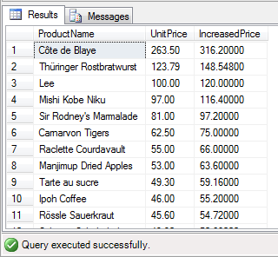
Output:

Assignment 5
ASSIGNMENT 5: | Display number of employees with "Sales Representative" title.

Query: | SELECT COUNT(Title) AS NumberOfEmp FROM employees where Title='Sales Representative';

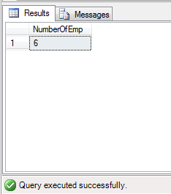
Output:

Assignment 6
ASSIGNMENT 6: | Display total number of employees in all the department.

Query: | SELECT COUNT(*) AS TotalEmp FROM Employees;

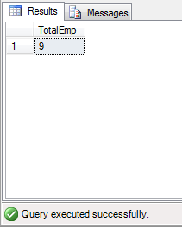
Output:

Assignment 7
ASSIGNMENT 7: | Select all distinct titles from employee table.

Query: | SELECT DISTINCT Title FROM Employees;

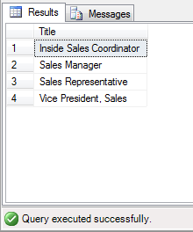
Output:

Assignment 8
ASSIGNMENT 8: | Get the count of employees with unique title.

Query: | SELECT Count(Employees.EmployeeID) AS Unique_Title,Title FROM Employees GROUP BY Title;

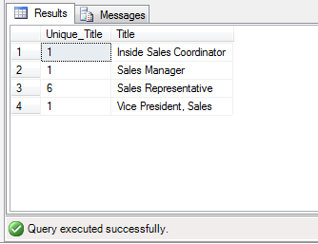
Output:

Assignment 9
ASSIGNMENT 9: | Get the most expensive product.

Query: | SELECT ProductName AS Expensive_Product,UnitPrice FROM Products WHERE UnitPrice = (SELECT MAX(UnitPrice) FROM Products);

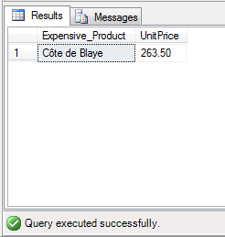
Output:

Assignment 10
ASSIGNMENT 10: | Get the product with minimum stock.

Query: | SELECT ProductName AS Min_UnitsInStock,UnitsInStock FROM Products WHERE UnitsInStock = (SELECT MIN(UnitsInStock) FROM Products);

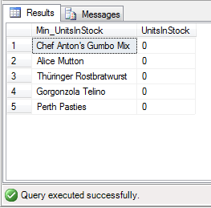
Output:

Assignment 11
ASSIGNMENT 11: | Get the average freight price for all the orders shipped to ShipCountry USA

Query: | SELECT AVG(Freight) as average_Freight,Orders.ShipCountry
 | FROM Products INNER JOIN OrderDetails ON
 | Products.ProductID = OrderDetails.ProductID INNER JOIN
 | Orders ON OrderDetails.OrderID=Orders.OrderID WHERE Orders.ShipCountry='USA' GROUP BY ProductName,Orders.ShipCountry;

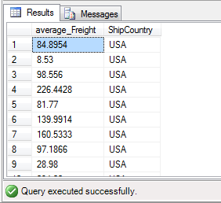
Output:

Assignment 12
ASSIGNMENT 12: | Get total freight expense in July 1996

Query: | SELECT SUM(Freight) AS Total_Freight
 | FROM Orders WHERE ShippedDate BETWEEN '1996-07-01' AND '1996-07-31';

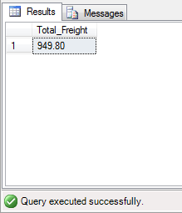
Output:

